Sheet1
Entity Name | Attributes | Description | Data Type | Nulls | Multi-valued | Derived | Default | Questions:
Subscription | subscriptionID | Subscription unique identifier | INT | No | No | No | None | Is this supposed to be based on the ERD or the final physical model? (should the many to many tables be included within this list?)
 | subscription_name | Name of the subscription | VARCHAR(45) | No | No | No | None
 | monthly_price | Price of the subscription | FLOAT | No | No | No | None
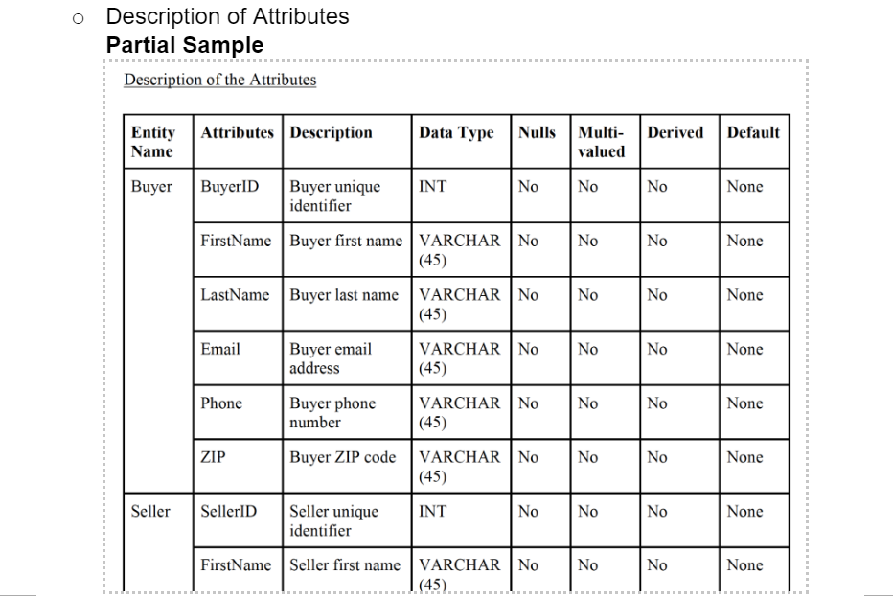
 | max_swipes | Maximum number of swipes allowed | INT | No | No | No | None
 | max_superswipes | Maximum number of super swipes allowed | INT | No | No | No | None
 | multiple_locations | Can the user choose multiple locations for seeing people? (1 = yes, 0 = no) | INT | No | No | No | None
Account_has_subscription | user_ID | User's unique identifier | INT | No | Yes | No | None
 | subscriptionID | Subscription unique identifier | INT | No | Yes | No | None
 | date_started | Date the subscription started (unique identifier) | DATE | No | Yes | No | None
 | date_ended | Date the subscription ended | DATE | Yes | No | No | None
Account_and_login_info | user_ID | User's unique identifier | INT | No | No | No | None
 | password | User's password | VARCHAR(45) | No | No | No | None
 | facebook_token | User's facebook profile link | VARCHAR(45) | Yes | No | No | None
 | phone_number | User's phone number | VARCHAR(12) | No | No | No | None
 | is_Active | User's account is active or inactive (1 = yes, 0 = no) | INT | No | No | No | None
 | created_date | User's account creation date | DATE | No | No | No | None
 | last_active | User's account when last active | DATE | No | No | No | None
Pet | idPet | Pet type's unique identifier | INT | No | No | No | None
 | pet_types | Type of pet | VARCHAR(45) | No | No | No | None
user_info_has_pet | user_ID | User's unique identifier | INT | No | Yes | No | None
 | idPet | Pet type's unique identifier | INT | No | Yes | No | None
user_info | user_ID | User's unique identifier | INT | No | No | No | None
 | first_name | User's first name | VARCHAR(45) | No | No | No | None
 | last_name | User's last name | VARCHAR(45) | No | No | No | None
 | weight | User's weight in (LBS or kg)? | INT | No | No | No | None
 | height | User's height in (ft or m)? | INT | No | No | No | None
 | zodiac | User's zodiac | VARCHAR(45) | No | No | No | None
 | birthdate | User's birthdate | DATE | No | No | No | None
 | education_level | User's education level | VARCHAR(45) | No | No | No | None
 | drinking | Does the user drink | VARCHAR(3) | No | No | No | None
 | smoking | Does the user smoke | VARCHAR(3) | No | No | No | None
 | kid_number | Number of kids the user has | INT | No | No | No | None
 | religion | User's religion | VARCHAR(45) | No | No | No | None
 | politics | User's political view | VARCHAR(45) | No | No | No | None
 | instagram_token | User's instagram account link | VARCHAR(45) | Yes | No | No | None
 | spotify_token | User's spotify account link | VARCHAR(45) | Yes | No | No | None
 | gender and orientation | User's gender and sexual orientation | INT | No | Yes | No | None
 | current_latitude_longitude | User's current location | INT | No | Yes | No | None
user_has_seen | user_ID1 | User's unique identifier | INT | No | No | No | None
 | user_ID2 | User has seen another user's unique identifier | INT | No | No | No | None
 | user_ID1_action | Action the user took on another user | VARCHAR(45) | No | No | No | None
 | date_seen | Date a user has seen another user | DATE | No | No | No | None
user_info_has_event | user_ID | User's unique identifier | INT | No | Yes | No | None
 | event_id | Event's unique identifier | INT | No | Yes | No | None
personal_pictures | picture_url | Picture's unique identifier | VARCHAR(45) | No | No | No | None
 | date_uploaded | Date the picture was uploaded | DATE | No | No | No | None
 | size | Picture's upload size | FLOAT | No | No | No | None
 | user_ID | User's unique identifier | INT | No | No | No | None
user_has_music | user_ID | User's unique identifier | INT | No | Yes | No | None
 | music_URL | Music's song unique identifier | VARCHAR(45) | No | Yes | No | None
music | music_url | Music's song unique identifier | VARCHAR(45) | No | No | No | None
 | sung_by | Song is sung by | VARCHAR(45) | No | No | No | None
 | time | Length of the song | TIME | No | No | No | None
 | date_released | Date the song was released | DATE | No | No | No | None
 | genre_category | Music genre category | VARCHAR(45) | No | No | No | None
 | genre_subcategory | Music genre subcategory | VARCHAR(45) | No | No | No | None
 | album | Album the song is on | VARCHAR(45) | No | No | No | None
Premium_plan_locations | user_ID | User's unique identifier | INT | No | Yes | No | None
 | latitude_longitude | User's unique location identifier | INT | No | Yes | No | None
 | date | Date the user set the location (unique identifier) | DATE | No | Yes | No | None
location | latitude_longitude | Location's unique identifier | INT | No | No | No | None
 | city | Location's city | VARCHAR(45) | No | No | No | None
 | state_province | Location's state or province | VARCHAR(45) | No | No | No | None
 | country | Location's country | VARCHAR(45) | No | No | No | None
gender_orientation | idgender_orientation | Gender and orientation unique identifier | INT | No | No | No | None
 | sexual_orientation | User's sexual orientation | VARCHAR(45) | No | No | No | None
 | gender | User's gender | VARCHAR(45) | No | No | No | None
 | gender_interested_in | User is interested in which gender | VARCHAR(45) | No | No | No | None
event_has_gender_orientation | event_id | Event's unique identifier | INT | No | Yes | No | None
 | idgender_orientation | Event is for specific gender and orientation | INT | No | Yes | No | None
event | event_id | Event's unique identifier | INT | No | No | No | None
 | event_name | Name of the event | VARCHAR(45) | No | No | No | None
 | description | Description of the event | VARCHAR(45) | No | No | No | None
 | date | Date of the event | DATE | No | No | No | None
 | time | Time the event starts | TIME | No | No | No | None
 | online_or_in_person | Is the event online or in person | BINARY | No | No | No | None
 | latitude_longitude | Location of the event | INT | No | No | No | None

